Cover Page
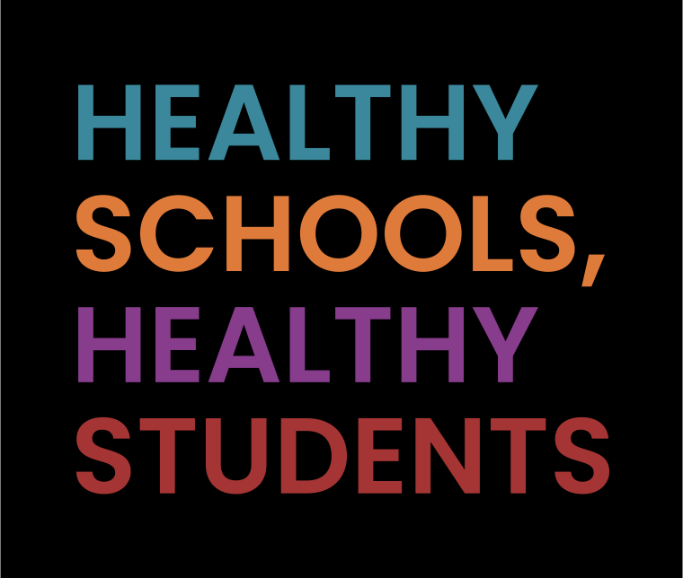

Deliverable Submission, January 31, 2023
2021-2022 School District COVID-19 Policy and Guidance Catalog, Deliverable 7.5 and 12.5

Centers for Disease Control and Prevention

Evaluating School Strategies for COVID-19 Mitigation

Submitted to: | Submitted by: | Contract #:
Centers for Disease Control and Prevention Division of Adolescent and School Health National Center for HIV/AIDS, Viral Hepatitis, STD, and TB Prevention 1600 Clifton Road, MS E-75 Atlanta, GA 30329 | ICF Incorporated, L.L.C. 9300 Lee Highway Fairfax, VA 22031 | GS00F010CA

 |  | Task order #:
 |  | 75D301-21-F-10577

